Product
PT. NUTRIFOOD INDONESIA |  |  | KODE FORM : F.Q.201


PENGEMBANGAN KONSEP AWAL PRODUK BARU
( PKP )
Tropicana Slim
Santer (Saus teriyaki)
Author |  | : | Noviana
Last Updated On |  | : | 2020-07-01
 | Revision No | : | 0
Background
Idea | Tropicana Slim Cooking Sauce Teriyaki - Less salt, No Sucrose Added (not claim)
Target market | MF 30+ Upper 1,2
Uniqueness of idea | weak - moderate - strong
Estimated potential market | niche - in between - mass
Reason(s) | Cooking is trending after covid19 pandemic and 80% of those who cooks have cooking sauce. However healthier cooking sauce is not available in the market which creates opportunity for Tropicana Slim.
Market Analysis
Launch Deadline | 2021
Aisle Placement | Besides Saori, Kikkoman (if double display : besides TS kecap manis & asin)
Sales Forecast | Rp350,000,000

NF Selling Price | Rp23,000
Consumer Price Target | Rp29,019

Main Competitor | Saori, Kikkoman, Lee Kum Kee
Competitive Analysis | TBN
Product Features
Product Form | Thick liquid
Product Packaging | Bottle 200 ml
Kategori Pangan (BPOM)
Prefered Flavour | Teriyaki
Product Benefits | Bebas Gula
 | Less sodium
 | Less calorie

Mandatory Ingredients
Related Picture | see sheet reference

ATTENTION!
 | compulsory; filled by QBX (brand function) Managers
 | should only be filled with great certainty
 | should only be filled after discussion with QPA
Service Level Agreements | Lead Time QBX (brand function) |  | 5 workdays
 | Lead Time QPA (product development function) |  | [1 (benefits) + 2 (COGS)] = 2 workdays
 | Lead Time Revision |  | 2 workdays
Processes | After being filled. HOD approval request. Then, forward to RD as low priority project. Will be further prioritized in PV Cross Funct Mtg. Meanwhile, RD can prepare SLA projection to propose into PV's SLA for the project based on capacity and feasibility.

 |  |  | Revisi / Berlaku : 04 / 24.02.10
 |  |  | Lama Simpan : Selamanya

Market Potency
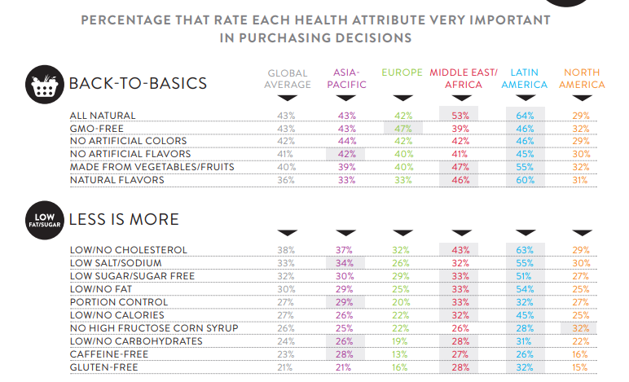
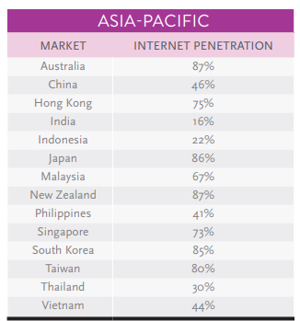
Jumlah penduduk Jabodetabek | 267,000,000
SES SU, U12 | 30% | Indonesian population
F, 35-49 | 21% | Indonesian population
Masak di rumah | 33%
Punya saus | 80%
Hipertensi | 34%
Pilih Saus Teriyaki | 15%
Choose Tropicana Slim | 20.0%

Target market TS | 45,429 | persons

Consume TS
- 1 botol per 3 bulan | 45,429 | portion | (for each flavor)

Price TS | IDR 23,000 | per portion
Sales potency
- 1 portion per 1 month | IDR 348,287,552 | per 3 months

Round Up Market Potency | IDR 350,000,000 | per month

 |  |  |  | 1044047
 |  |  |  | 927120
 |  |  |  | 781391
 |  |  |  | 657262
 |  |  |  | 534822
 |  |  |  | 409392
 |  |  |  | 284080
 |  |  |  | 375893
 |  |  |  | 5014007
 |  |  |  | 49.3%

Taste Survey
